Sheet1
 |  | Document No. | Issue No. | Issue Date |  | Review and Replace Date |  |  | Authorised By
 |  | GFF100MC | 1 | 17.06.2019 |  | New Issue |  |  | Magda Shah
 |  | Document Title | LENTIL MOUSSAKA & COCONUT BECHAMEL 470g
Document amendments reason for change |  | New product launch |  |  | Previous Issue Date |  | New Issue |  | Uncontrolled copy unless signed original

FVLMCB-R8TMC | MINDFUL CHEF |  | LENTIL MOUSSAKA & COCONUT BECHAMEL 470g │ FROZEN
STEP 1 |  |  | STEP 2 |  |  |  | STEP 3
 |  |  | 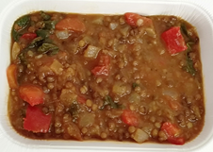 |  |  |  | 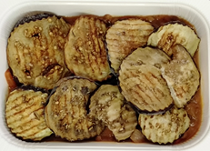

Tray: WHITE OVENABLE BOARD TRAY (PKSOU002-01) |  |  | Lentil Mix (MC) (GFF258R): 349g |  |  |  | Roasted Aubergine Roundels (RMBOW001-04) 60g
Film: 145 X 100 X 250 (PKWRA001-07)
STEP 4 |  |  |  |  | STEP 5
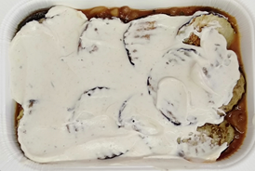 |  |  |  |  | 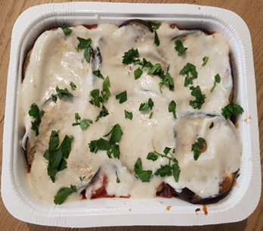

Coconut Bechamel (MC) (GFF259R): 60g |  |  |  |  | Parsley Chopped RTE (RMIHF001-59) 1g |  |  | Total Weight: 470g

ALLERGY ALERT: None

